Sheet1
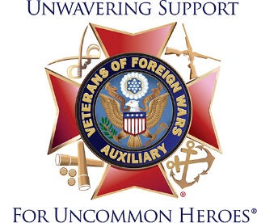
Form for Auxiliary to turn in to Post RE: VFW Community Service

Auxiliary to Post # _____________ | Date From: |  | Date Through:

Auxiliary Programs that count | # of members | # of hours | # of miles | Donations
Americanism
Auxiliary Outreach |  |  |  | X
VFW National Home for Children
Hospital
Legislative
Scholarships
Veterans & Family Support
Youth Activities
Total Auxiliary Community Service Information | 0 | 0 | 0 | 0

Auxiliary Programs that do not count for VFW Communty Service - Extension & Revitalization, Buddy Poppy, Historian
& Media Relations, Mentoring for Leadership, and Membership. Work for your Post Home also does not count.

